Quotation

Quotation
WEHDAH SOLUTION 202103190949 (PG0514579-H)
Wisma UOA II, Unite No: 15-13A,
UOA Business Centre, Jalan Pinang,
50450 Kuala Lumpur, Malaysia.
 | Phone: +6017-3123415 Email : wehdahsolution@gmail.com

 |  |  |  |  | QUOTATION

 | To: |  |  |  | No.: | Q-23001
 | Masjid Abu Ubaidah Al Jarrah |  |  |  | Date: | 2023-06-22
 | Jalan 1/26, Taman Sri Rampai, 53300 Kuala Lumpur, Wilayah Persekutuan Kuala Lumpur |  |  |  | Payment Term: | C.O.D.
 |  |  |  |  | Validity: | 14 Days
 | Attn: | SHAFIQ ZULKHAIRI BIN ZAINUDIN |  |  | Currency: | RM
 | Tel: | 013-2600148 | Fax:
 | Email: | -

 | Thank you for your inquiry. We are pleased to submit our quote as follow:

 | Item | Description |  | Qty | Unit | Unit Price | Discount | Total Price

PERKHIDMATAN SEWAAN PERALATAN VISUAL BAGI KULIAH MAGHRIB PERDANA DI MASJID ABU UBAIDAH AL JARRAH KUALA LUMPUR PADA 24.6.2023

 | 1 | LCD Projector 5500 A/Lumens + Tripod/Fastflod Screen 10ft x 7.6ft |  | 2 | pcs | 750.00 | - | 1,500.00
 | 2 | HDMI Cable for Transmit Display Signal |  | 3 | pcs | 150.00 |  | 450.00
 | 3 | Cable power supply for Display system |  | 1 | lot | 150.00 |  | 150.00
 | 4 | HDMI Splitter ( Split display from nearest source ) |  | 1 | pcs | 150.00 |  | 150.00
 | 5 | Transportation |  | 1 | lot | 100.00 |  | 100.00

 |  | Note : Kos termasuk Standby Crew

 | RM: | TWO THOUSAND THREE HUNDRED FIFTY |  |  |  |  | Grand Total | 2,350.00

Bank Details : Hong Leong Islamic 18701038380 - Bank Islam 12113010769313

 | We hope that our quotation is favourable to you and we looking forward to receive your valued orders.
 | If you require further clarification, please do not hesitate to contact us.


 | Yours faithfully, |  |  | We confirm the order by accepting the terms

 |  |  | Apis
 |  |  | 60173123415
 | ------------------------------------------------------ |  |  | ----------------------------------------------------------
 | Authorised Signature |  |  | Signature & Company stamp
 |  |  |  | Date :

INV 1 (2)
Quotation
WEHDAH SOLUTION 202103190949 (PG0514579-H)
Wisma UOA II, Unite No: 15-13A,
UOA Business Centre, Jalan Pinang,
50450 Kuala Lumpur, Malaysia.
 | Phone: +6017-3123415 Email : wehdahsolution@gmail.com

 |  |  |  |  | QUOTATION

 | Bill To: |  |  |  | No.: | Q-2507162
 |  |  |  |  | Date: | 2025-07-16
 | Masjid Usamah Bin Zaid, Jalan 2/27a Seksyen 2, Wangsa Maju, 53300 Kuala Lumpur |  |  |  | Payment Term: | C.O.D.
 |  |  |  |  | Currency: | RM
 | Attn: | En. Iqbal
 | Tel: | 019-7905391 | Fax:
 | Email: | -

 | Item | Description |  | Qty | Unit | Unit Price | Discount | Total Price

 | 1 | Acrylic Bevel Edge Signage A4 size Wall Mounted + Boltnut + Printing |  | 40 | pcs | 30.00 | - | 1,200.00
 | 2 | Sticker 10cm x 12cm with Gloss Laminated |  | 30 | pcs | 3.00 | - | 90.00
 | 3 | Sticker 6cm x 6cm with Gloss Laminated |  | 30 | pcs | 2.50 | - | 75.00
 | 4 | Installation |  | 1 | L/S | 800.00 |  | 800.00

 | RM: | ONE THOUSAND TWO HUNDRED NINTY |  |  |  |  | Grand Total | 2,165.00

Bank Details : Hong Leong Islamic 18701038380 - Bank Islam 12113010769313

 | Good sold are not returnable and payment make is not refundable.
 | All cheque should be crossed and made payable to " WEHDAH SOLUTION "

 | Yours faithfully,

 | ------------------------------------------------------
 | Authorised Signature

Artwork

Artwork 1
Artwork 2

Artwork 3
Artwork 4


Artwork 6


Artwork 5

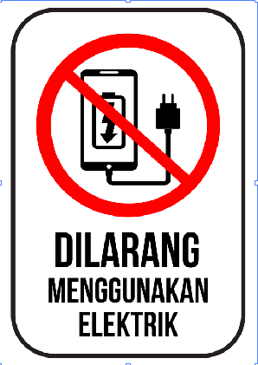

Artwork 7
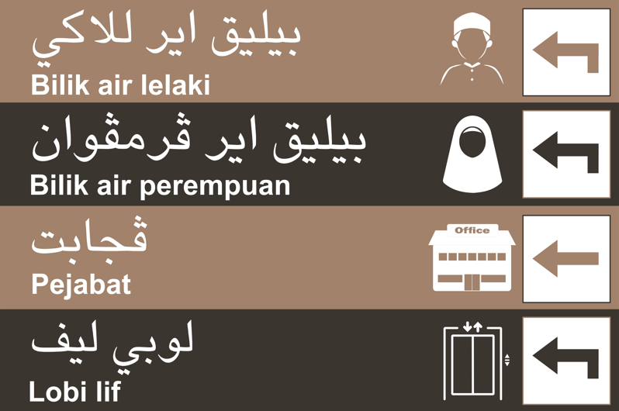

Artwork 8
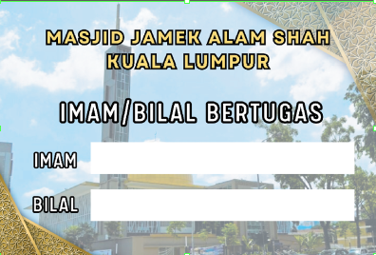

 |  |  |  | Goods received in right and good condition

 |  |  |  | ----------------------------------------------------------
 |  |  |  | Company Sign & Chop

INV 1
Quotation
WEHDAH SOLUTION 202103190949 (PG0514579-H)
Wisma UOA II, Unite No: 15-13A,
UOA Business Centre, Jalan Pinang,
50450 Kuala Lumpur, Malaysia.
 | Phone: +6017-3123415 Email : wehdahsolution@gmail.com

 |  |  |  |  | QUOTATION

 | Quote To: |  |  |  | No.: | Q-2507161
 |  |  |  |  | Date: | 2025-07-16
 | Masjid Usamah Bin Zaid, Jalan 2/27a Seksyen 2, Wangsa Maju, 53300 Kuala Lumpur |  |  |  | Payment Term: | C.O.D.
 |  |  |  |  | Currency: | RM
 | Attn: | En. Iqbal
 | Tel: | 019-7905391 | Fax:
 | Email: | -

 | Item | Description |  | Qty | Unit | Unit Price | Discount | Total Price

 | 1 | Acrylic Sandwich Signage A4 size Wall / Glass / Metal Mounted + Boltnut / Stick Silicone + Printing |  | 40 | pcs | 35.00 | - | 1,400.00
 | 2 | Sticker 10cm x 12cm with Gloss Laminated |  | 30 | pcs | 3.00 | - | 90.00
 | 3 | Sticker 6cm x 6cm with Gloss Laminated |  | 30 | pcs | 2.50 | - | 75.00
 | 4 | Installation |  | 1 | L/S | 800.00 | - | 800.00

 | RM: | TWO THOUSAND THREE HUNDRED SIXTY FIVE |  |  |  |  | Grand Total | 2,365.00

Bank Details : Hong Leong Islamic 18701038380 - Bank Islam 12113010769313

 | Good sold are not returnable and payment make is not refundable.
 | All cheque should be crossed and made payable to " WEHDAH SOLUTION "

 | Yours faithfully,

 | ------------------------------------------------------
 | Authorised Signature

Artwork

Artwork 1
Artwork 2

Artwork 3
Artwork 4

Artwork 6

Artwork 5

Artwork 7

Artwork 8

 |  |  |  | Goods received in right and good condition

 |  |  |  | ----------------------------------------------------------
 |  |  |  | Company Sign & Chop

Copy of INV 1
Quotation
WEHDAH SOLUTION 202103190949 (PG0514579-H)
Wisma UOA II, Unite No: 15-13A,
UOA Business Centre, Jalan Pinang,
50450 Kuala Lumpur, Malaysia.
 | Phone: +6017-3123415 Email : wehdahsolution@gmail.com

 |  |  |  |  | INVOICE

 | Quote To: |  |  |  | No.: | INV-2604074
 |  |  |  |  | Date: | 2026-04-07
 | Masjid Usamah Bin Zaid, Jalan 2/27a Seksyen 2, Wangsa Maju, 53300 Kuala Lumpur |  |  |  | Payment Term: | C.O.D.
 |  |  |  |  | Currency: | RM
 | Attn: | En. Iqbal
 | Tel: | 019-7905391 | Fax:
 | Email: | -

 | Item | Description |  | Qty | Unit | Unit Price | Discount | Total Price

 | 1 | Troubleshoot ( Projector No Display ) |  | 1 | L/S | 80.00 | - | 80.00
 | 2 | Relocation of projector units (Internal & External exchange) Dewan Solat Utama Masjid |  | 4 | pcs | 80.00 | - | 320.00
 | 3 | Replacement of projector display enclosure box and cable management. |  | 1 | pcs | 100.00 | - | 100.00
 | 4 | Installation setup and configuration |  | 1 | L/S | 200.00 | - | 200.00

 | RM: | SEVEN HUNDRED ONLY |  |  |  |  | Grand Total | 700.00

Bank Details : Hong Leong Islamic 18701038380 - Bank Islam 12113010769313

 | Good sold are not returnable and payment make is not refundable.
 | All cheque should be crossed and made payable to " WEHDAH SOLUTION "

 | Yours faithfully,

 | ------------------------------------------------------
 | Authorised Signature

Artwork

Artwork 1
Artwork 2

Artwork 3
Artwork 4

Artwork 6

Artwork 5

Artwork 7

Artwork 8

 |  |  |  | Goods received in right and good condition

 |  |  |  | ----------------------------------------------------------
 |  |  |  | Company Sign & Chop

INV 2
Quotation
WEHDAH SOLUTION 202103190949 (PG0514579-H)
Wisma UOA II, Unite No: 15-13A,
UOA Business Centre, Jalan Pinang,
50450 Kuala Lumpur, Malaysia.
 | Phone: +6017-3123415 Email : wehdahsolution@gmail.com

 |  |  |  |  | INVOICE

 | Bill To: |  |  |  | No.: | I-231013
 | Muhammad Hakim |  |  |  | Date: | 2023-10-13
 | Masjid Al-Muttaqin Wangsa Melawati, Jalan Wangsa Melawati 6, 53300 K.L. |  |  |  | Payment Term: | C.O.D.
 |  |  |  |  | Currency: | RM
 | Attn:
 | Tel: | 018-9030363 | Fax:
 | Email: | -

 | Item | Description |  | Qty | Unit | Unit Price | Discount | Total Price

 | 1 | Acrylic Bevel Edge Frame 5mm + Reverse Sticker ( Back ) + 29 pcs Picture Slot + 29 pcs Acrylic Name ( Back Print ) + Bolt Nut ( 4ft x 8ft ) Artwork 1 |  | 1 | pcs | 1,200.00 |  | 1,200.00
 | 2 | Design |  | 1 | unit | 100.00 |  | 100.00

Artwork 1
Name
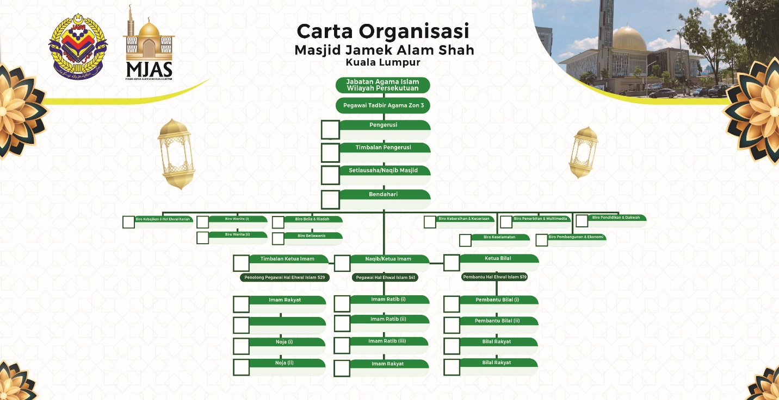
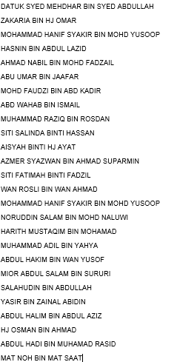

 | RM: | ONE THOUSAND THREE HUNDRED |  |  |  |  | Grand Total | 1,300.00

Bank Details : Hong Leong Islamic 18701038380 - Bank Islam 12113010769313

 | Good sold are not returnable and payment make is not refundable.
 | All cheque should be crossed and made payable to " WEHDAH SOLUTION "

 | Yours faithfully, |  |  | Goods received in right and good condition

 | ------------------------------------------------------ |  |  | ----------------------------------------------------------
 | Authorised Signature |  |  | Company Sign & Chop

INV 3
Quotation
WEHDAH SOLUTION 202103190949 (PG0514579-H)
Wisma UOA II, Unite No: 15-13A,
UOA Business Centre, Jalan Pinang,
50450 Kuala Lumpur, Malaysia.
 | Phone: +6017-3123415 Email : wehdahsolution@gmail.com

 |  |  |  |  | INVOICE

 | Bill To: |  |  |  | No.: | I-231018
 | Muhammad Hakim |  |  |  | Date: | 2023-10-18
 | Masjid Al-Muttaqin Wangsa Melawati, Jalan Wangsa Melawati 6, 53300 K.L. |  |  |  | Payment Term: | C.O.D.
 |  |  |  |  | Currency: | RM
 | Attn:
 | Tel: | 018-9030363 | Fax:
 | Email: | -

 | Item | Description |  | Qty | Unit | Unit Price | Discount | Total Price

 | 1 | Acrylic Sheet 2mm + Back Print + Die Cut ( 3in x 6in ) Artwork 1 |  | 1 | pcs | 10.00 |  | 10.00
 | 2 | Labour Charge |  | 1 | unit | 10.00 |  | 10.00

Artwork 1

 | RM: | TWENTY |  |  |  |  | Grand Total | 20.00

Bank Details : Hong Leong Islamic 18701038380 - Bank Islam 12113010769313

 | Good sold are not returnable and payment make is not refundable.
 | All cheque should be crossed and made payable to " WEHDAH SOLUTION "

 | Yours faithfully, |  |  | Goods received in right and good condition

 | ------------------------------------------------------ |  |  | ----------------------------------------------------------
 | Authorised Signature |  |  | Company Sign & Chop

DO
Delivery Order
A To Z Account
 |  |  |  | Co. Reg. No.: |  |  | 11221122-I
Unit 1-1, One Avenue,
Taman Pertama, 53000 Ampang, Selangor.
Phone:
 |  | Phone: | 03-11112222 |  | Fax: | 03-22221111 |  | Email: | adm.atoz22@gmail.com

 |  |  |  |  |  |  |  |  | DELIVERY ORDER

 | To: |  |  |  |  |  |  |  | No.:
 |  |  |  |  |  |  |  |  | Date:
 |  |  |  |  |  |  |  |  | Payment Term:
 |  |  |  |  |  |  |  |  | Currency: | RM
 | Attn:
 | Tel: |  |  | Fax:
 | Email:

 | Item | Description |  |  |  |  |  | Qty | Unit |  | Remark

 | 1
 | 2
 | 3
 | 4
 | 5
 | 6
 | 7
 | 8
 | 9
 | 10
 | 11
 | 12
 | 13
 | 14
 | 15
 | 16
 | 17
 | 18
 | 19
 | 20
 | 21
 | 22
 | 23
 | 24
 | 25

 |  |  |  |  |  |  | Total Qty | 0

 | We have received above-mentioned items in
 | good condition and order

 | --------------------------------------------- |  |  |  |  |  |  |  | ---------------------------------------------
 | Signature & Company stamp |  |  |  |  |  |  |  | Authorised Signature
 | Date :

Cash Bill
Cash Bill
A To Z Account
 |  |  |  | Co. Reg. No.: |  |  | 11221122-I
Unit 1-1, One Avenue,
Taman Pertama, 53000 Ampang, Selangor.
Phone:
 |  | Phone: | 03-11112222 |  | Fax: | 03-22221111 |  | Email: | adm.atoz22@gmail.com

 |  |  |  |  |  |  |  |  | CASH BILL

 | To: |  |  |  |  |  |  |  | No.:
 |  |  |  |  |  |  |  |  | Date:
 |  |  |  |  |  |  |  |  | Payment Term: | CASH
 |  |  |  |  |  |  |  |  | Currency: | RM
 | Attn:
 | Tel: |  |  | Fax:
 | Email:

 | Item | Description |  |  |  |  |  | Qty | Unit | Unit Price | Discount | Total Price

 | 1 |  |  |  |  |  |  |  |  |  |  | -
 | 2 |  |  |  |  |  |  |  |  |  |  | -
 | 3 |  |  |  |  |  |  |  |  |  |  | -
 | 4 |  |  |  |  |  |  |  |  |  |  | -
 | 5 |  |  |  |  |  |  |  |  |  |  | -
 | 6 |  |  |  |  |  |  |  |  |  |  | -
 | 7 |  |  |  |  |  |  |  |  |  |  | -
 | 8 |  |  |  |  |  |  |  |  |  |  | -
 | 9 |  |  |  |  |  |  |  |  |  |  | -
 | 10 |  |  |  |  |  |  |  |  |  |  | -
 | 11 |  |  |  |  |  |  |  |  |  |  | -
 | 12 |  |  |  |  |  |  |  |  |  |  | -
 | 13 |  |  |  |  |  |  |  |  |  |  | -
 | 14 |  |  |  |  |  |  |  |  |  |  | -
 | 15 |  |  |  |  |  |  |  |  |  |  | -
 | 16 |  |  |  |  |  |  |  |  |  |  | -
 | 17 |  |  |  |  |  |  |  |  |  |  | -
 | 18 |  |  |  |  |  |  |  |  |  |  | -
 | 19 |  |  |  |  |  |  |  |  |  |  | -
 | 20 |  |  |  |  |  |  |  |  |  |  | -
 | 21 |  |  |  |  |  |  |  |  |  |  | -
 | 22 |  |  |  |  |  |  |  |  |  |  | -
 | 23 |  |  |  |  |  |  |  |  |  |  | -
 | 24 |  |  |  |  |  |  |  |  |  |  | -
 | 25 |  |  |  |  |  |  |  |  |  |  | -

 | RM: |  |  |  |  |  |  |  |  |  | Grand Total | -

 | THANK YOU FOR YOUR SUPPORT
 | Payments can be made by cash, or instant transfer to the account below:
 | Beneficiary Name:
 | Bank Account No.:

 |  |  |  |  |  |  |  |  | ---------------------------------------------
 |  |  |  |  |  |  |  |  | Authorised Signature

Purchase Order
Purchase Order
A To Z Account
 |  |  |  | Co. Reg. No.: |  |  | 11221122-I
Unit 1-1, One Avenue,
Taman Pertama, 53000 Ampang, Selangor.
Phone:
Phone:
 |  | Phone: | 03-11112222 |  | Fax: | 03-22221111 |  | Email: | adm.atoz22@gmail.com

 |  |  |  |  |  |  |  |  | PURCHASE ORDER

 | To: |  |  |  |  |  |  |  | No.:
 |  |  |  |  |  |  |  |  | Date:
 |  |  |  |  |  |  |  |  | Your Ref No.:
 |  |  |  |  |  |  |  |  | Payment Term:
 | Attn: |  |  |  |  |  |  |  | Currency: | RM
 | Tel: |  |  | Fax:
 | Email:

 | Item | Description |  |  |  |  |  | Qty | Unit | Unit Price |  | Total Price

 | 1 |  |  |  |  |  |  |  |  |  |  | -
 | 2 |  |  |  |  |  |  |  |  |  |  | -
 | 3 |  |  |  |  |  |  |  |  |  |  | -
 | 4 |  |  |  |  |  |  |  |  |  |  | -
 | 5 |  |  |  |  |  |  |  |  |  |  | -
 | 6 |  |  |  |  |  |  |  |  |  |  | -
 | 7 |  |  |  |  |  |  |  |  |  |  | -
 | 8 |  |  |  |  |  |  |  |  |  |  | -
 | 9 |  |  |  |  |  |  |  |  |  |  | -
 | 10 |  |  |  |  |  |  |  |  |  |  | -
 | 11 |  |  |  |  |  |  |  |  |  |  | -
 | 12 |  |  |  |  |  |  |  |  |  |  | -
 | 13 |  |  |  |  |  |  |  |  |  |  | -
 | 14 |  |  |  |  |  |  |  |  |  |  | -
 | 15 |  |  |  |  |  |  |  |  |  |  | -
 | 16 |  |  |  |  |  |  |  |  |  |  | -
 | 17 |  |  |  |  |  |  |  |  |  |  | -
 | 18 |  |  |  |  |  |  |  |  |  |  | -
 | 19 |  |  |  |  |  |  |  |  |  |  | -
 | 20 |  |  |  |  |  |  |  |  |  |  | -
 | 21 |  |  |  |  |  |  |  |  |  |  | -
 | 22 |  |  |  |  |  |  |  |  |  |  | -
 | 23 |  |  |  |  |  |  |  |  |  |  | -
 | 24 |  |  |  |  |  |  |  |  |  |  | -
 | 25 |  |  |  |  |  |  |  |  |  |  | -

 | RM: |  |  |  |  |  |  |  |  |  | Grand Total | -

 | The supplier shall ensure the quality of the purchased items and bear the corresponding responsibility.
 | This confidential documents cannot be disclosed to third party without permission of us.

 |  |  |  |  |  |  |  |  | ---------------------------------------------
 |  |  |  |  |  |  |  |  | Authorised Signature

Credit Note
Credit Note
A To Z Account
 |  |  |  | Co. Reg. No.: |  |  | 11221122-I
Unit 1-1, One Avenue,
Taman Pertama, 53000 Ampang, Selangor.
Phone:
Phone:
Phone:
 |  | Phone: | 03-11112222 |  | Fax: | 03-22221111 |  | Email: | adm.atoz22@gmail.com

 |  |  |  |  |  |  |  |  | CREDIT NOTE

 | To: |  |  |  |  |  |  |  | No.:
 |  |  |  |  |  |  |  |  | Date:
 |  |  |  |  |  |  |  |  | Payment Term:
 |  |  |  |  |  |  |  |  | Currency: | RM
 | Attn:
 | Tel: |  |  | Fax:
 | Email:

 |  | Description |  |  |  |  | Qty | Unit Price |  | Discount | Amount

 | RM: |  |  |  |  |  |  |  |  | Grand Total | -

 |  |  |  |  |  |  |  |  | -----------------------------------------
 |  |  |  |  |  |  |  |  | Authorised Signature

Debit Note
Debit Note
A To Z Account
 |  |  |  | Co. Reg. No.: |  |  | 11221122-I
Unit 1-1, One Avenue,
Taman Pertama, 53000 Ampang, Selangor.
Phone:
Phone:
Phone:
Phone:
 |  | Phone: | 03-11112222 |  | Fax: | 03-22221111 |  | Email: | adm.atoz22@gmail.com

 |  |  |  |  |  |  |  |  | DEBIT NOTE

 | To: |  |  |  |  |  |  |  | No.:
 |  |  |  |  |  |  |  |  | Date:
 |  |  |  |  |  |  |  |  | Payment Term:
 |  |  |  |  |  |  |  |  | Currency: | RM
 | Attn:
 | Tel: |  |  | Fax:
 | Email:

 |  | Description |  |  |  |  |  | Qty |  | Unit Price | Amount

 | RM: |  |  |  |  |  |  |  |  | Grand Total | -

 |  |  |  |  |  |  |  |  | -----------------------------------------
 |  |  |  |  |  |  |  |  | Authorised Signature

Receipt
Official Receipt
A To Z Account
 |  |  |  | Co. Reg. No.: |  |  | 11221122-I
Unit 1-1, One Avenue,
Taman Pertama, 53000 Ampang, Selangor.
Phone:
Phone:
Phone:
Phone:
Phone:
 |  | Phone: | 03-11112222 |  | Fax: | 03-22221111 |  | Email: | adm.atoz22@gmail.com

OFFICIAL RECEIPT

 | Received from: |  |  |  |  |  |  |  | No.:
 |  |  |  |  |  |  |  |  | Date:
 |  |  |  |  |  |  |  |  | Payment by:
 |  |  |  |  |  |  |  |  | Reference No.:
 |  |  |  |  |  |  |  |  | Currency: | RM

 | Description |  |  |  |  |  |  |  |  |  | Amount

 | RM: |  |  |  |  |  |  |  |  | Grand Total | -

 |  |  |  |  |  | ----------------------------------------- |  |  |  | -----------------------------------------
 |  |  |  |  |  | Prepared by |  |  |  | Authorised Signature

Payment Voucher
Payment Voucher
A To Z Account
 |  |  |  | Co. Reg. No.: |  |  | 11221122-I
Unit 1-1, One Avenue,
Taman Pertama, 53000 Ampang, Selangor.
Phone:
Phone:
Phone:
Phone:
Phone:
Phone:
 |  | Phone: | 03-11112222 |  | Fax: | 03-22221111 |  | Email: | adm.atoz22@gmail.com

PAYMENT VOUCHER

 | Pay To: |  |  |  |  |  |  |  | No.:
 |  |  |  |  |  |  |  |  | Date:
 |  |  |  |  |  |  |  |  | Payment by:
 |  |  |  |  |  |  |  |  | Reference No.:
 |  |  |  |  |  |  |  |  | Currency: | RM

 |  | Description |  |  |  |  |  |  |  |  | Amount

 | RM: |  |  |  |  |  |  |  |  | Grand Total | -

 |  |  |  |  |  | ----------------------------------------- |  |  | -----------------------------------------
 |  |  |  |  |  | Authorised Signature |  |  | Received by

